Zone_aggregated
Zone | Food Expenditure | % of Total Food Exp | Non-Food Expenditure | % of Total Non-Food Exp | Total Expenditure | % of Total Expenditure
1. North Central | 3,484,988,423,566.00 | 15.30 | 2,173,274,796,790.00 | 12.47 | 5,658,263,220,356.00 | 14.07
2. North East | 1,585,717,617,356.00 | 6.96 | 884,262,721,921.00 | 5.07 | 2,469,980,339,277.00 | 6.14
3. North West | 4,341,837,734,225.00 | 19.06 | 2,501,792,373,928.00 | 14.35 | 6,843,630,108,153.00 | 17.02
4. South East | 2,615,164,225,199.00 | 11.48 | 2,158,004,475,990.00 | 12.38 | 4,773,168,701,189.00 | 11.87
5. South South | 4,568,263,076,262.00 | 20.06 | 3,850,676,095,161.00 | 22.09 | 8,418,939,171,423.00 | 20.94
6. South West | 6,181,278,565,763.00 | 27.14 | 5,862,128,353,206.00 | 33.63 | 12,043,406,918,969.00 | 29.95
Total | 22,777,249,642,371.00 |  | 17,430,138,816,996.00 |  | 40,207,388,459,367.00

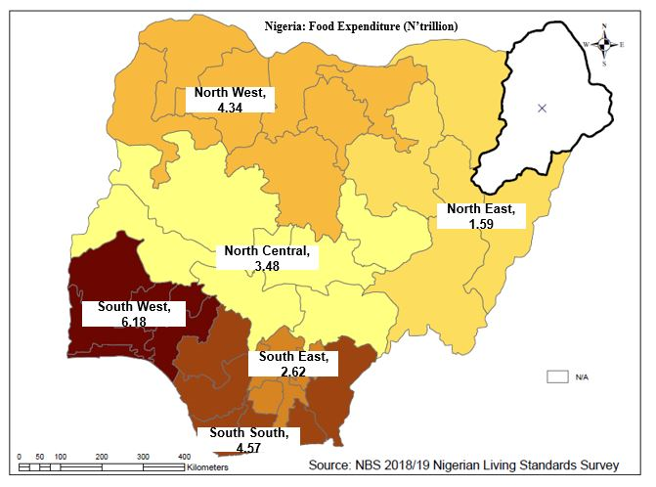
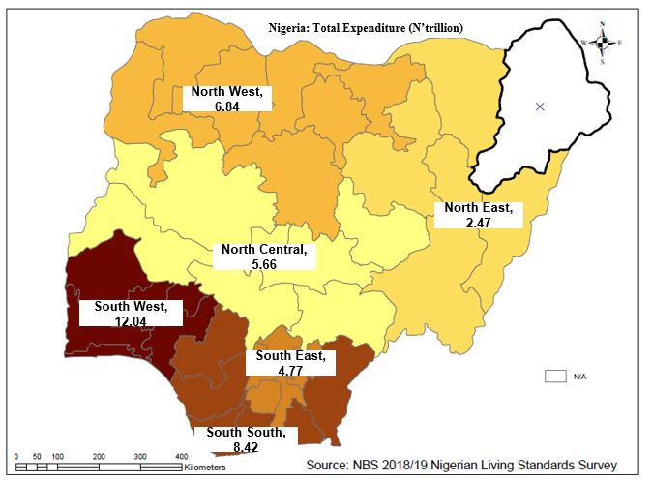

State_aggregated
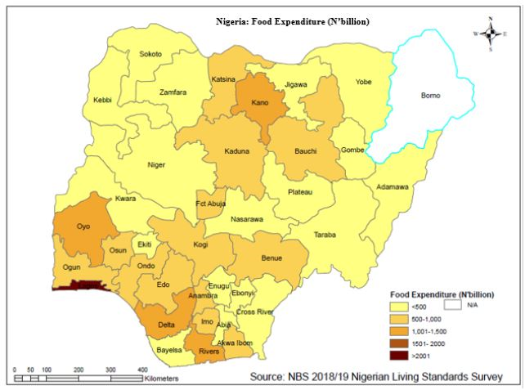
 |  |  | State Ranking of Total Expenditure
State | Total_expenditure | % of Total Expenditure | State | Total_expenditure | % of Total Expenditure
1. Abia | 813,634,010,722.00 | 2.02 | 24. Lagos | 5,068,032,243,934.00 | 12.60
2. Adamawa | 522,682,907,927.00 | 1.30 | 30. Oyo | 2,342,400,084,558.00 | 5.83
3. Akwa Ibom | 1,386,518,656,756.00 | 3.45 | 10. Delta | 2,162,280,433,421.00 | 5.38
4. Anambra | 1,520,596,564,187.00 | 3.78 | 32. Rivers | 2,008,077,246,294.00 | 4.99
5. Bauchi | 778,800,177,840.00 | 1.94 | 19. Kano | 1,973,211,897,149.00 | 4.91
6. Bayelsa | 659,221,500,452.00 | 1.64 | 27. Ogun | 1,541,007,821,592.00 | 3.83
7. Benue | 1,167,164,798,735.00 | 2.90 | 4. Anambra | 1,520,596,564,187.00 | 3.78
9. Cross River | 849,722,193,074.00 | 2.11 | 18. Kaduna | 1,398,703,206,293.00 | 3.48
10. Delta | 2,162,280,433,421.00 | 5.38 | 3. Akwa Ibom | 1,386,518,656,756.00 | 3.45
11. Ebonyi | 310,188,581,667.00 | 0.77 | 16. Imo | 1,369,770,692,729.00 | 3.41
12. Edo | 1,353,119,141,425.00 | 3.37 | 12. Edo | 1,353,119,141,425.00 | 3.37
13. Ekiti | 712,782,686,349.00 | 1.77 | 28. Ondo | 1,209,485,741,701.00 | 3.01
14. Enugu | 758,978,851,885.00 | 1.89 | 20. Katsina | 1,204,110,669,458.00 | 2.99
15. Gombe | 451,097,648,452.00 | 1.12 | 29. Osun | 1,169,698,340,835.00 | 2.91
16. Imo | 1,369,770,692,729.00 | 3.41 | 7. Benue | 1,167,164,798,735.00 | 2.90
17. Jigawa | 555,759,368,739.00 | 1.38 | 37. FCT | 985,560,717,684.00 | 2.45
18. Kaduna | 1,398,703,206,293.00 | 3.48 | 22. Kogi | 930,328,403,018.00 | 2.31
19. Kano | 1,973,211,897,149.00 | 4.91 | 9. Cross River | 849,722,193,074.00 | 2.11
20. Katsina | 1,204,110,669,458.00 | 2.99 | 1. Abia | 813,634,010,722.00 | 2.02
21. Kebbi | 663,256,674,675.00 | 1.65 | 31. Plateau | 790,751,198,150.00 | 1.97
22. Kogi | 930,328,403,018.00 | 2.31 | 5. Bauchi | 778,800,177,840.00 | 1.94
23. Kwara | 668,235,451,684.00 | 1.66 | 14. Enugu | 758,978,851,885.00 | 1.89
24. Lagos | 5,068,032,243,934.00 | 12.60 | 26. Niger | 732,641,742,213.00 | 1.82
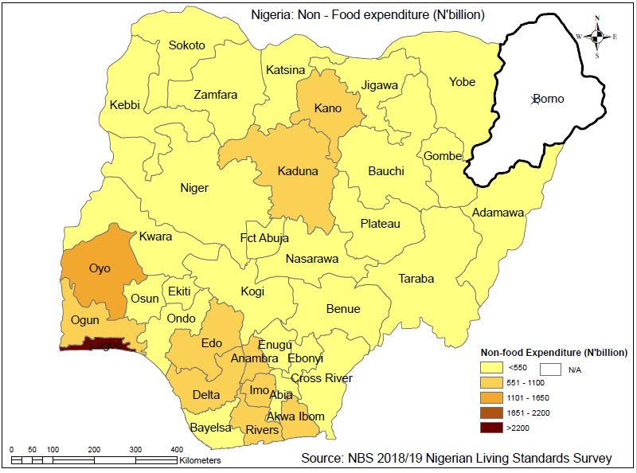
25. Nasarawa | 383,580,908,871.00 | 0.95 | 13. Ekiti | 712,782,686,349.00 | 1.77
26. Niger | 732,641,742,213.00 | 1.82 | 23. Kwara | 668,235,451,684.00 | 1.66
27. Ogun | 1,541,007,821,592.00 | 3.83 | 21. Kebbi | 663,256,674,675.00 | 1.65
28. Ondo | 1,209,485,741,701.00 | 3.01 | 6. Bayelsa | 659,221,500,452.00 | 1.64
29. Osun | 1,169,698,340,835.00 | 2.91 | 36. Zamfara | 572,373,084,455.00 | 1.42
30. Oyo | 2,342,400,084,558.00 | 5.83 | 17. Jigawa | 555,759,368,739.00 | 1.38
31. Plateau | 790,751,198,150.00 | 1.97 | 2. Adamawa | 522,682,907,927.00 | 1.30
32. Rivers | 2,008,077,246,294.00 | 4.99 | 33. Sokoto | 476,215,207,384.00 | 1.18
33. Sokoto | 476,215,207,384.00 | 1.18 | 15. Gombe | 451,097,648,452.00 | 1.12
34. Taraba | 297,379,724,360.00 | 0.74 | 35. Yobe | 420,019,880,698.00 | 1.04
35. Yobe | 420,019,880,698.00 | 1.04 | 25. Nasarawa | 383,580,908,871.00 | 0.95
36. Zamfara | 572,373,084,455.00 | 1.42 | 11. Ebonyi | 310,188,581,667.00 | 0.77
37. FCT | 985,560,717,684.00 | 2.45 | 34. Taraba | 297,379,724,360.00 | 0.74
Total | 40,207,388,459,366.00 |  | Total | 40,207,388,459,366.00

